Wedding
Wedding Expenses
 |  | Cost Per Item | Total
Decorations |  | $1,000.00 | $1,000.00
Photographer |  | $750.00 | $1,500.00
Invitations |  | $7.00 | $700.00
Flowers |  | $100.00 | $1,500.00
Wedding Coordinator |  | $1,000.00 | $1,000.00
Bucks Run Room |  | $1,000.00 | $1,000.00
Entertainment |  | $600.00 | $600.00
Caterer |  | $2,000.00 | $2,000.00
Dress |  | $1,000.00 | $1,000.00
Florist |  | $400.00 | $400.00
Tux |  | $500.00 | $500.00
Rings |  | $2,000.00 | $4,000.00
Bridesmaid dresses |  | $3,000.00 | $9,000.00
Food |  | $1,250.00 | $1,250.00
Thank you Letters |  | $4.00 | $400.00
Wedding
Item | Cost Per Item | Quantity | Total
Decorations | $1,000.00 | 1 | $1,000.00
Photographer | $750.00 | 2 | $1,500.00
Invitations | $7.00 | 100 | $700.00
Flowers | $100.00 | 15 | $1,500.00
Wedding Coordinator | $1,000.00 | 1 | $1,000.00
Bucks Run Room | $1,000.00 | 1 | $1,000.00
Entertainment | $600.00 | 1 | $600.00
Caterer | $2,000.00 | 1 | $2,000.00
Dress | $1,000.00 | 1 | $1,000.00
Florist | $400.00 | 1 | $400.00
Tux | $500.00 | 1 | $500.00
Rings | $2,000.00 | 2 | $4,000.00
Bridesmaid dresses | $3,000.00 | 3 | $9,000.00
Food | $1,250.00 | 1 | $1,250.00
Thank you Letters | $4.00 | 100 | $400.00
 |  | Total | $25,850

Wedding Total | $25,850
Honeymoon Total | $4,490.00
Combined Total | $30,340

Honeymoon
Honeymoon
Items | Cost Per Item | Quantity | Total | 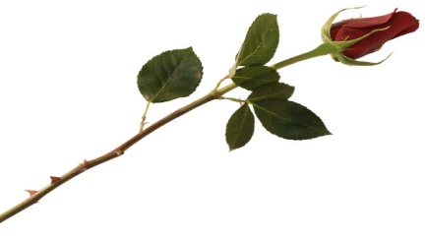
Plane Ticket | $500.00 | 4 | $2,000.00
Hotel Room | $350.00 | 1 | $350.00
Honeymoon Expenses
Food | $10.00 | 30 | $300.00
Drinks | $3.00 | 30 | $90.00
Sailing | $150.00 | 1 | $150.00
Boating | $300.00 | 1 | $300.00
Clothes | $30.00 | 20 | $600.00
Luggage | $100.00 | 4 | $400.00
Taxi Fee | $75.00 | 2 | $150.00
Room Service | $25.00 | 6 | $150.00
 |  | Total | $4,490.00

